Deliverance II Parameters
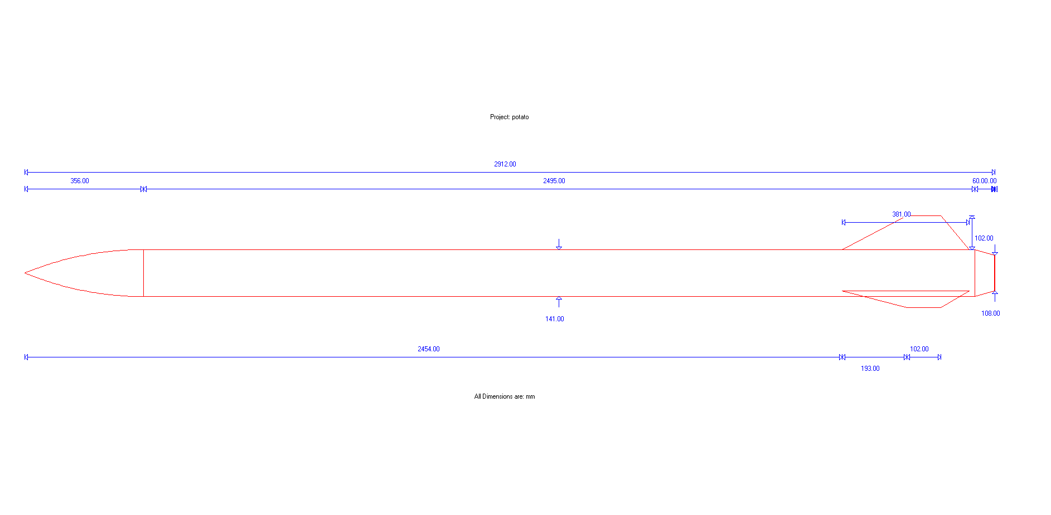
Parameter | Abbreviation | Value (imperial) | Unit | Value (metric) | Unit | Comments
Nose length | L_n | 16.31 | in | 0.414 | m
Nose base diameter | D | 5.5 | in | 0.140 | m
Fin root chord | C_r | 15 | in | 0.381 | m
Fin tip chord | C_t | 4 | in | 0.102 | m
Fin semispan | S | 5 | in | 0.127 | m
Length of fin mid-chord line | L_f | 5.44 | in | 0.138 | m
Fin root leading edge to fin tip leading edge distance | X_r | 7.64 | in | 0.194 | m
Nose tip to fin chord leading edge | X_b | 97.2 | in | 2.470 | m | 97.24
Rocket total length | L_r | 114.6 | in | 2.911 | m
Nozzle length | L_z | 3 | in | 0.076 | m
Number of Fins | N | 3 |  | 3.000
Nose cone coefficient | Cn_n | 0.5 |  | 0.500 |  | Half-power nose cone.
Maximum Thickness of each fin at root | t | 0.25 | in | 0.006350
Distance from fin leading edge to maximum thickness | X_tc | 0.25 | in | 0.006350
length of reduction at the back |  | 2.36 |  | 0.060
diameter at end |  | 4.24 |  | 0.108
NOZZLE DIAMETER |  | 3.23 |  | 0.082
Width of fin |  | 0.15 |  | 0.003810
Fin front length |  | 8.62 |  | 0.219
There's probably some values that aren't included here, it's not perfect but whatever

Deliverance II Stability
Written by Fedor Sobolev and Ali Razavi

Subsonic values are based on this document: https://www.apogeerockets.com/downloads/PDFs/barrowman_report.pdf
 |  |  |  |  |  |  |  | http://www2.estesrockets.com/pdf/TIR-33_Center_of_Pressure.pdf
Subsonic values
Item: | x's | coefficient | x*coefficient | Correction factor
Nose | 0.207137 | 2 | 0.414274
Center | 0 | 0 | 0
boattail | 2.880 | -0.8113983471 | -2.33648286
fins | 0.1453682105 | 4.607834561 | N/A | 1.35483871
interference | 2.615 | 6.242872631 | 16.32676136
Total | 1.938316941 | 7.431474284 | 14.4045525

Final Cp position from nose tip (m) in subsonic flight |  |  | 1.938316941 | 76.3116906

Supersonic values are based on the equations found in these documents:
 | https://ntrs.nasa.gov/archive/nasa/casi.ntrs.nasa.gov/20010047838.pdf
 | http://openrocket.sourceforge.net/techdoc.pdf

Supersonic
Item: | x's | coefficient | x*coefficient
b | 0 | 14.276 | 0
b(t) | 2.470 | 88.16077376 | 217.7479425
t(b) | 2.512 | 23.25895493 | 58.42407585
Total | 2.1971472 | 125.6957287 | 276.1720183

Closest Cp position to nose tip (m) in supersonic flight (at mach 2) |  |  |  | 2.1971472

Caculation of the tail coefficient for supersonic values from Mach 1 to Mach 1.6
midchord sweep angle | AR | N | Ar (m^2) | Af (m^2) |  |  |  |  | Calculations for b(t) and t(b) coefficients
0.463647609 | 0.8447204969 | 3 | 0.0008732 | 0.024633 | mach number | beta | Cna(T) |  | Kt(b) | Kb(t) | t
0.463647609 | 0.8447204969 | 3 | 0.0008732 | 0.024633 | 1 | 0 | 56.14715409 |  | 0.4142499349 | 1.570173506 | 2.446808511
0.463647609 | 0.8447204969 | 3 | 0.0008732 | 0.024633 | 1.01 | 0.1417744688 | 56.08438176
0.463647609 | 0.8447204969 | 3 | 0.0008732 | 0.024633 | 1.02 | 0.2009975124 | 56.02126862
0.463647609 | 0.8447204969 | 3 | 0.0008732 | 0.024633 | 1.03 | 0.2467792536 | 55.95782069 |  | 5th order polynomial fit from the open rocket documentation model
0.463647609 | 0.8447204969 | 3 | 0.0008732 | 0.024633 | 1.04 | 0.2856571371 | 55.89404394
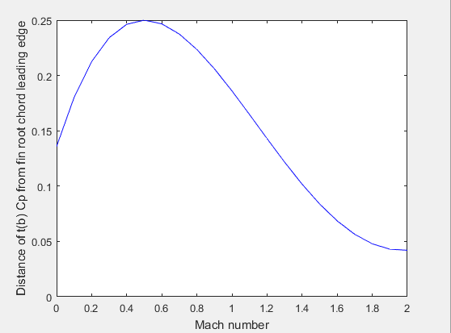
0.463647609 | 0.8447204969 | 3 | 0.0008732 | 0.024633 | 1.05 | 0.3201562119 | 55.82994429
0.463647609 | 0.8447204969 | 3 | 0.0008732 | 0.024633 | 1.06 | 0.3515679166 | 55.76552766
0.463647609 | 0.8447204969 | 3 | 0.0008732 | 0.024633 | 1.07 | 0.3806573262 | 55.70079992
0.463647609 | 0.8447204969 | 3 | 0.0008732 | 0.024633 | 1.08 | 0.4079215611 | 55.63576692
0.463647609 | 0.8447204969 | 3 | 0.0008732 | 0.024633 | 1.09 | 0.4337049688 | 55.57043447
0.463647609 | 0.8447204969 | 3 | 0.0008732 | 0.024633 | 1.1 | 0.4582575695 | 55.50480834
0.463647609 | 0.8447204969 | 3 | 0.0008732 | 0.024633 | 1.11 | 0.4817675788 | 55.43889427
0.463647609 | 0.8447204969 | 3 | 0.0008732 | 0.024633 | 1.12 | 0.5043808085 | 55.37269796
0.463647609 | 0.8447204969 | 3 | 0.0008732 | 0.024633 | 1.13 | 0.5262128847 | 55.30622508
0.463647609 | 0.8447204969 | 3 | 0.0008732 | 0.024633 | 1.14 | 0.5473572873 | 55.23948125
0.463647609 | 0.8447204969 | 3 | 0.0008732 | 0.024633 | 1.15 | 0.5678908346 | 55.17247207
0.463647609 | 0.8447204969 | 3 | 0.0008732 | 0.024633 | 1.16 | 0.5878775383 | 55.10520309
0.463647609 | 0.8447204969 | 3 | 0.0008732 | 0.024633 | 1.17 | 0.6073713856 | 55.03767982
0.463647609 | 0.8447204969 | 3 | 0.0008732 | 0.024633 | 1.18 | 0.6264183905 | 54.96990772
0.463647609 | 0.8447204969 | 3 | 0.0008732 | 0.024633 | 1.19 | 0.6450581369 | 54.90189223
0.463647609 | 0.8447204969 | 3 | 0.0008732 | 0.024633 | 1.2 | 0.6633249581 | 54.83363873
0.463647609 | 0.8447204969 | 3 | 0.0008732 | 0.024633 | 1.21 | 0.6812488532 | 54.76515258
0.463647609 | 0.8447204969 | 3 | 0.0008732 | 0.024633 | 1.22 | 0.6988562084 | 54.69643907
0.463647609 | 0.8447204969 | 3 | 0.0008732 | 0.024633 | 1.23 | 0.7161703708 | 54.62750347
0.463647609 | 0.8447204969 | 3 | 0.0008732 | 0.024633 | 1.24 | 0.7332121112 | 54.55835099
0.463647609 | 0.8447204969 | 3 | 0.0008732 | 0.024633 | 1.25 | 0.75 | 54.48898682
0.463647609 | 0.8447204969 | 3 | 0.0008732 | 0.024633 | 1.26 | 0.7665507159 | 54.41941608
0.463647609 | 0.8447204969 | 3 | 0.0008732 | 0.024633 | 1.27 | 0.782879301 | 54.34964385
0.463647609 | 0.8447204969 | 3 | 0.0008732 | 0.024633 | 1.28 | 0.7989993742 | 54.27967518
0.463647609 | 0.8447204969 | 3 | 0.0008732 | 0.024633 | 1.29 | 0.8149233093 | 54.20951507
0.463647609 | 0.8447204969 | 3 | 0.0008732 | 0.024633 | 1.3 | 0.8306623863 | 54.13916846 |  | Note that the lowest value was taken from the graph above (at Mach 2),
0.463647609 | 0.8447204969 | 3 | 0.0008732 | 0.024633 | 1.31 | 0.8462269199 | 54.06864027
0.463647609 | 0.8447204969 | 3 | 0.0008732 | 0.024633 | 1.32 | 0.8616263691 | 53.99793535
0.463647609 | 0.8447204969 | 3 | 0.0008732 | 0.024633 | 1.33 | 0.8768694316 | 53.92705851 |  | The matlab code calculating the above curve can be found in this file:
0.463647609 | 0.8447204969 | 3 | 0.0008732 | 0.024633 | 1.34 | 0.8919641248 | 53.85601453 |  | (you have to download the excel file to see the attached file)
0.463647609 | 0.8447204969 | 3 | 0.0008732 | 0.024633 | 1.35 | 0.9069178574 | 53.78480812
0.463647609 | 0.8447204969 | 3 | 0.0008732 | 0.024633 | 1.36 | 0.9217374897 | 53.71344397
0.463647609 | 0.8447204969 | 3 | 0.0008732 | 0.024633 | 1.37 | 0.9364293887 | 53.64192669
0.463647609 | 0.8447204969 | 3 | 0.0008732 | 0.024633 | 1.38 | 0.9509994742 | 53.57026087
0.463647609 | 0.8447204969 | 3 | 0.0008732 | 0.024633 | 1.39 | 0.9654532614 | 53.49845105
0.463647609 | 0.8447204969 | 3 | 0.0008732 | 0.024633 | 1.4 | 0.9797958971 | 53.42650171
0.463647609 | 0.8447204969 | 3 | 0.0008732 | 0.024633 | 1.41 | 0.9940321926 | 53.35441729
0.463647609 | 0.8447204969 | 3 | 0.0008732 | 0.024633 | 1.42 | 1.008166653 | 53.28220219
0.463647609 | 0.8447204969 | 3 | 0.0008732 | 0.024633 | 1.43 | 1.022203502 | 53.20986075
0.463647609 | 0.8447204969 | 3 | 0.0008732 | 0.024633 | 1.44 | 1.036146708 | 53.13739728
0.463647609 | 0.8447204969 | 3 | 0.0008732 | 0.024633 | 1.45 | 1.05 | 53.06481602
0.463647609 | 0.8447204969 | 3 | 0.0008732 | 0.024633 | 1.46 | 1.063766892 | 52.99212118
0.463647609 | 0.8447204969 | 3 | 0.0008732 | 0.024633 | 1.47 | 1.077450695 | 52.91931693
0.463647609 | 0.8447204969 | 3 | 0.0008732 | 0.024633 | 1.48 | 1.091054536 | 52.84640736
0.463647609 | 0.8447204969 | 3 | 0.0008732 | 0.024633 | 1.49 | 1.104581369 | 52.77339656
0.463647609 | 0.8447204969 | 3 | 0.0008732 | 0.024633 | 1.5 | 1.118033989 | 52.70028852
0.463647609 | 0.8447204969 | 3 | 0.0008732 | 0.024633 | 1.51 | 1.131415043 | 52.62708724
0.463647609 | 0.8447204969 | 3 | 0.0008732 | 0.024633 | 1.52 | 1.144727042 | 52.55379662
0.463647609 | 0.8447204969 | 3 | 0.0008732 | 0.024633 | 1.53 | 1.157972366 | 52.48042055
0.463647609 | 0.8447204969 | 3 | 0.0008732 | 0.024633 | 1.54 | 1.171153278 | 52.40696287
0.463647609 | 0.8447204969 | 3 | 0.0008732 | 0.024633 | 1.55 | 1.184271928 | 52.33342735
0.463647609 | 0.8447204969 | 3 | 0.0008732 | 0.024633 | 1.56 | 1.197330364 | 52.25981773
0.463647609 | 0.8447204969 | 3 | 0.0008732 | 0.024633 | 1.57 | 1.210330533 | 52.18613772
0.463647609 | 0.8447204969 | 3 | 0.0008732 | 0.024633 | 1.58 | 1.223274295 | 52.11239095
0.463647609 | 0.8447204969 | 3 | 0.0008732 | 0.024633 | 1.59 | 1.23616342 | 52.03858103
0.463647609 | 0.8447204969 | 3 | 0.0008732 | 0.024633 | 1.6 | 1.2489996 | 51.96471152

